Sheet1
Mini Project: Quantifying the Maximum Expected Loss
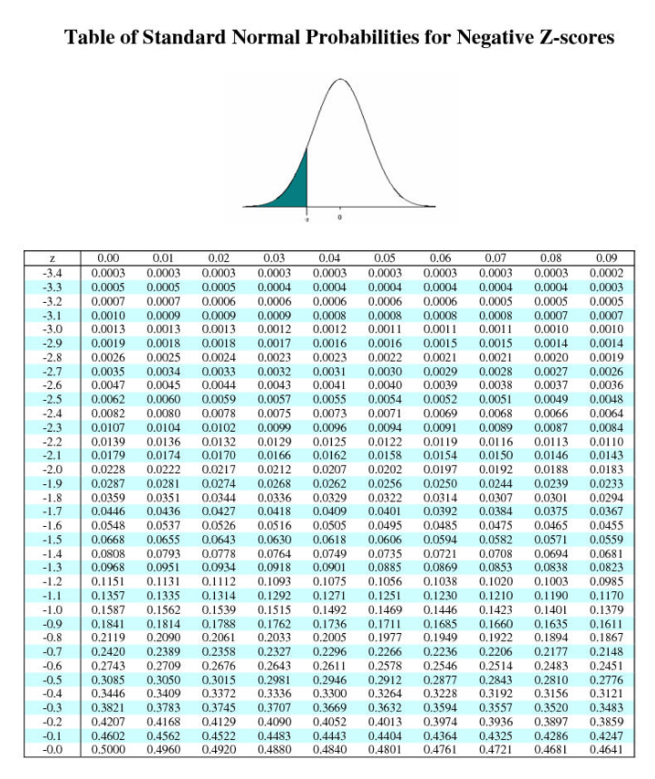
Quantify the Maximum Expected Loss for the next day using a Value-at-Risk (VaR) model.

Confidence level: 95%
Volatility: 2.5%
Current stock price: $126
An investment fund has 100,000 Apple shares.

The z-score for the confidence level of 95% is: 1.645

Calculation: |  | $518,175.00

Answer: | The maximum expected loss for the next day using a Value-at-Risc (VaR) model is of $ 518,175,00 dollars.

